Sheet1
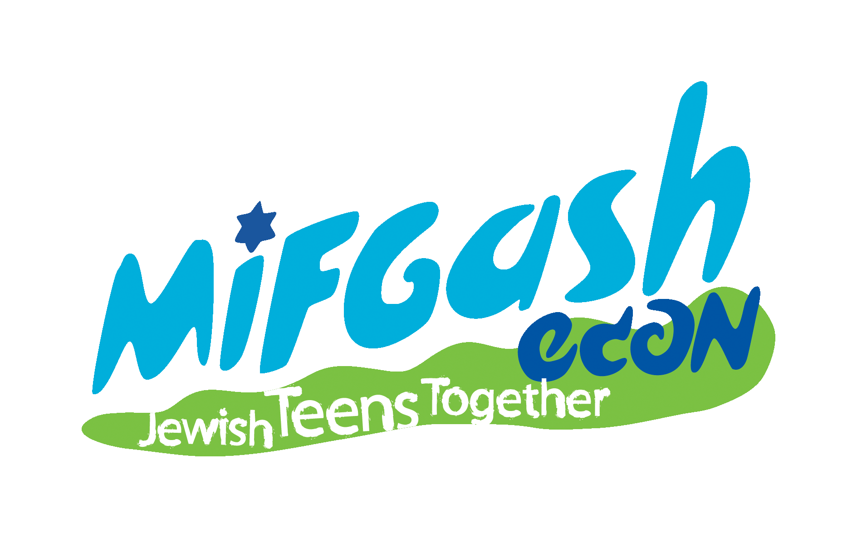

2020 MIFGASH PURIM/PASSOVER WINE SALE

All wines discounted 15% | Special Case order discounts | Order Deadline: 3/1/2020

Name:______________________________________ Last Name:___________________________________

Phone Home Numbers: ___________________________ Cell: ______________________________

Email address: _____________________________________________________________________________

Please email credit card orders to: mifgashpassoverwine@gmail.com
 |  |  |  |  |  |  | ***Checks preferred
Credit Card: MC VISA Discover AMEX (please circle one) |  |  |  |  |  |  | payable to: University Wine & Liquor
 |  |  |  |  |  |  | Please mail order form with check to:
Credit Card number: ___________________________________________________________________________ |  |  |  |  |  |  | Mifgash Passover Wine
 |  |  |  |  |  |  | c/o Wendy Schaffer
Name as appears on Card: ________________________________________ Expiration date:________________ |  |  |  |  |  |  | 44 Carstead Drive
Signature:___________________________________________________________________________________ |  |  |  |  |  |  | Slingerlands, NY 12159

Winery | Region | Name | Size Offered | Per Bottle Retail Price | Quantity Ordered | x | Discounted Price | Total Cost
Wines
Baron Herzog | California | Cabernet Sauvignon | 750 ml | $13.99 |  | x | $11.89 | $0.00
Baron Herzog | California | White Zinfandel | 750 ml | $8.99 |  | x | $7.64 | $0.00
Baron Herzog | California | Old Vine Zinfandel | 750 ml | $13.99 |  | x | $11.89 | $0.00
Baron Herzog | California | Sauvignon Blanc | 750 ml | $13.99 |  | x | $11.89 | $0.00
Baron Herzog | California | Merlot | 750 ml | $13.99 |  | x | $11.89 | $0.00
Baron Herzog | California | Chardonnay | 750 ml | $13.99 |  | x | $11.89 | $0.00
Baron Herzog | California | Chenin Blanc | 750 ml | $12.99 |  | x | $11.04 | $0.00
Jeunesse | California | Cabernet Sauvignon | 750 ml | $13.99 |  | x | $11.89 | $0.00

Bartenura | Italy | Moscato | 750 ml | $14.99 |  | x | $12.74 | $0.00

Yecla | Spain | Tempranillo | 750 ml | $10.99 |  | x | $9.34 | $0.00
Yecla | Spain | Caberenet Sauvignon | 750 ml | $10.99 |  | x | $9.34 | $0.00
Yecla | Spain | Semi Sweet | 750 ml | $10.99 |  | x | $9.34 | $0.00
Yecla | Spain | Cab/Monastrell | 750 ml | $10.99 |  | x | $9.34 | $0.00

Guillermo | Argentina | Malbec | 750 ml | $11.99 |  | x | $10.19 | $0.00

Zufini | Italy | Pinot Grigio | 750 ml | $12.99 |  | x | $11.04 | $0.00
Zufini | Italy | Prosecco | 750 ml | $16.99 |  | x | $14.45 | $0.00

Tierra | Chile | Cabernet Sauvignon | 750 ml | $13.99 |  | x | $11.89 | $0.00
Tierra | Chile | Merlot | 750 ml | $13.99 |  | x | $11.89 | $0.00
Tierra | Chile | Chardonnay | 750 ml | $13.99 |  | x | $11.89 | $0.00
Tierra | Chile | Sauvignon Blanc | 750 ml | $13.99 |  | x | $11.89 | $0.00
Tierra | Chile | Pinot Noir Reserve | 750 ml | $14.99 |  | x | $12.74 | $0.00

Weinstock | California | White | 750 ml | $10.99 |  | x | $9.34 | $0.00
Weinstock | California | Red | 750 ml | $10.99 |  | x | $9.34 | $0.00

Herzog Selection Chateneuf | France | White Bordeaux | 750 ml | $15.99 |  | x | $13.59 | $0.00

Barkan Classic | Israel | Cabernet Sauvignon | 750 ml | $11.99 |  | x | $10.19 | $0.00
Barkan Classic | Israel | Chardonnay | 750 ml | $11.99 |  | x | $10.19 | $0.00
Barkan Classic | Israel | Merlot | 750 ml | $11.99 |  | x | $10.19 | $0.00
Barkan Classic | Israel | Shiraz | 750 ml | $11.99 |  | x | $10.19 | $0.00
Barkan Reserves | Israel | Cabernet Sauvignon | 750 ml | $27.99 |  | x | $24.22 | $0.00
Barkan Reserves | Israel | Merlot | 750 ml | $27.99 |  | x | $24.22 | $0.00
Barkan | Israel | Pinot Noir | 750 ml | $11.99 |  | x | $10.19 | $0.00
Segal's Fusion | Israel | Merlot Cabernet Sauvignon | 750 ml | $15.99 |  | x | $13.59 | $0.00

Manischewitz | New York | Concord | 750ml | $8.99 |  | x | $7.64 | $0.00
Manischewitz | New York | Concord | 1.5 litre | $12.99 |  | x | $11.04 | $0.00
Manischewitz | New York | Concord | 3 litre | $19.99 |  | x | $16.99 | $0.00
Manischewitz | New York | Cream Red | 750ml | $8.99 |  | x | $7.64 | $0.00
Manischewitz | New York | Cream Red | 1.5 litre | $12.99 |  | x | $11.04 | $0.00
Manischewitz | New York | Cream White | 750ml | $8.99 |  | x | $7.64 | $0.00
Manischewitz | New York | Cream White | 1.5 litre | $12.99 |  | x | $11.04 | $0.00
Manischewitz | New York | Blackberry | 750ml | $8.99 |  | x | $7.64 | $0.00

Kedem | New York | Cream White | 750 ml | $5.99 |  | x | $5.09 | $0.00
Kedem | New York | Cream White | 1.5 litre | $10.99 |  | x | $9.34 | $0.00
Kedem | New York | Concord Grape | 750 ml | $5.99 |  | x | $5.09 | $0.00
Kedem | New York | Concord Grape | 1.5 litre | $10.99 |  | x | $9.34 | $0.00
Kedem | New York | Cream Red Concord | 750 ml | $5.99 |  | x | $5.09 | $0.00
Kedem | New York | Cream Red Concord | 1.5 litre | $10.99 |  | x | $9.34 | $0.00

Liquors
Kedem | New York | Vodka | 750 ml |  |  | x | $17.99 | $0.00
Sabra Liqueurs | Israel | Chocolate Orange Liqueur | 750 ml |  |  | x | $33.00 | $0.00

 |  |  |  | QUANTITY | 0 |  | PRICE | $0.00

 |  |  |  | SALES TAX - 8% |  |  |  | $0.00

 |  |  |  | TOTAL DUE: |  |  |  | $0.00
Pick up address: University Wine & Liquor, 1225 Western Avenue, Albany, NY 12203 |  |  |  | Mifgash Round up Donation
Email notification will be sent |  |  |  | TOTAL PAYMENT |  |  |  | $0.00

